Feature
RTC | RTC Field Type | JIRA | Jira Field Type | Job Size | RTC Field Value | Jira Field Value
Feature | Work Item Type | Feature | Issue Type |  | Unassigned | Unassigned
ID | System | Legacy ID | Text Field (Single Line) |  | 1 | 1
Summary | Text Field (Single Line) | Summary | Text Field (Single Line) |  | 2 | 2
Type | N/A | Not Migrating | Not Migrating |  | 3 | 3
Filed Against | Category (Nested) | [RTC] Filed Against | Text Field (Single Line) |  | 5 | 5
Progress | Calculated Field | Not Migrating | Not Migrating |  | 8 | 8
Estimated Story Points | Integer | High Level Estimate | Number |  | 13 | 13
Actual Story Points | Integer | Story Points | Number |  | 20 | 20
Project Area | System | [RTC] Project Area | Text Field (Single Line)
Team Area | System | [RTC] Team Area | Text Field (Single Line) | User/Business Value | RTC Field Value | Jira Field Value
Creation Date | datetime | Created | datetime |  | Unassigned | Unassigned
Created By | User | Creator | User |  | 1 | 1
Tags | System | Labels | System |  | 2 | 2
Owned By | User | Assignee | User |  | 3 | 3
Proposed | Iterations (Nested) | Not Migrating | Not Migrating |  | 5 | 5
Planned For | Iterations (Nested) | [RTC] Planned For | Text Field (Single Line) |  | 8 | 8
WSJF | Integer (Calculated) | WSJF | Number (Static) |  | 13 | 13
Job Size | Enumerated List | Job Size | Enumerated List |  | 20 | 20
User/Business Value | Enumerated List | User/Business Value | Enumerated List
Time Criticality | Enumerated List | Time Criticality | Enumerated List | Time Criticality | RTC Field Value | Jira Field Value
RROE | Enumerated List | RROE | Enumerated List |  | Unassigned | Unassigned
SAFe Work Type | Radio Buttons | SAFe Work Type | Cascading Enumerated List |  | 1 | 1
SAFe Enabler Type | Radio Buttons |  |  |  | 2 | 2
MVP | Check Box | MVP? | Check Box |  | 3 | 3
High Level Estimate | Integer | Not Migrating | Not Migrating |  | 5 | 5
Risk Estimate | Integer | Risk Estimate | Number |  | 8 | 8
Description | Text Field (Multi Line) | Description | Text Field (Multi Line) |  | 13 | 13
Discussion | Comments | Comments | Comments |  | 20 | 20
Acceptance Criteria | Text Field (Multi Line) | Acceptance Criteria | Text Field (Multi Line)
 |  |  |  | RROE | RTC Field Value | Jira Field Value
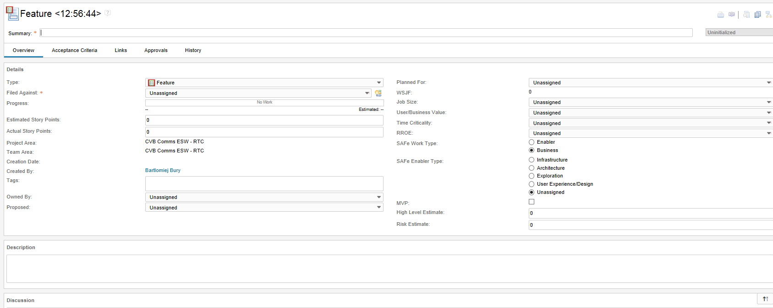
 |  |  |  |  | Unassigned | Unassigned
 |  |  |  |  | 1 | 1
 |  |  |  |  | 2 | 2
 |  |  |  |  | 3 | 3
 |  |  |  |  | 5 | 5
 |  |  |  |  | 8 | 8
 |  |  |  |  | 13 | 13
 |  |  |  |  | 20 | 20

 |  |  |  | SAFe Work Type | RTC Field Value | Jira Field Value
 |  |  |  | SAFe Work Type | Business | Business
 |  |  |  |  | Enabler | Enabler
 |  |  |  | SAFe Enabler Type | Unassigned | 9 | Unassigned
 |  |  |  |  | Infrastructure |  | Infrastructure
 |  |  |  |  | Architecture |  | Architecture
 |  |  |  |  | Exploration |  | Exploration
 |  |  |  |  | User Experience/Design |  | User Experience/Design

Program Epic
RTC | RTC Field Type | JIRA | Jira Field Type | Job Size | RTC Field Value | Jira Field Value
Program Epic | Work Item Type | Program Epic | Issue Type |  | Unassigned | Unassigned
ID | System | Legacy ID | Text Field (Single Line) |  | 1 | 1
Summary | Text Field (Single Line) | Summary | Text Field (Single Line) |  | 2 | 2
Type | N/A | Not Migrating | Not Migrating |  | 3 | 3
Filed Against | Category (Nested) | [RTC] Filed Against | Text Field (Single Line) |  | 5 | 5
Progress | Calculated Field | Not Migrating | Not Migrating |  | 8 | 8
Estimated Story Points | Integer | High Level Estimate | Integer |  | 13 | 13
Actual Story Points | Integer | Story Points | Integer |  | 20 | 20
Project Area | System | [RTC] Project Area | Text Field (Single Line)
Team Area | System | [RTC] Team Area | Text Field (Single Line) | User/Business Value | RTC Field Value | Jira Field Value
Creation Date | datetime | Created | datetime |  | Unassigned | Unassigned
Created By | User | Creator | User |  | 1 | 1
Tags | System | Labels | System |  | 2 | 2
Owned By | User | Assignee | User |  | 3 | 3
Proposed | Iterations (Nested) | Not Migrating | Not Migrating |  | 5 | 5
Planned For | Iterations (Nested) | [RTC] Planned For | Text Field (Single Line) |  | 8 | 8
WSJF | Integer (Calculated) | WSJF | Number (Static) |  | 13 | 13
Job Size | Enumerated List | Job Size | Enumerated List |  | 20 | 20
User/Business Value | Enumerated List | User/Business Value | Enumerated List
Time Criticality | Enumerated List | Time Criticality | Enumerated List | Time Criticality | RTC Field Value | Jira Field Value
RROE | Enumerated List | RROE | Enumerated List |  | Unassigned | Unassigned
SAFe Work Type | Radio Buttons | SAFe Work Type | Cascading Enumerated List |  | 1 | 1
SAFe Enabler Type | Radio Buttons |  |  |  | 2 | 2
Value Statement | Text Field (Multi Line) | Benefit Hypothesis | Text Field (Multi Line) |  | 3 | 3
Discussion | Comments | Comments | Comments |  | 5 | 5
Success Criteria | Text Field (Multi Line) | Acceptance Criteria | Text Field (Multi Line) |  | 8 | 8
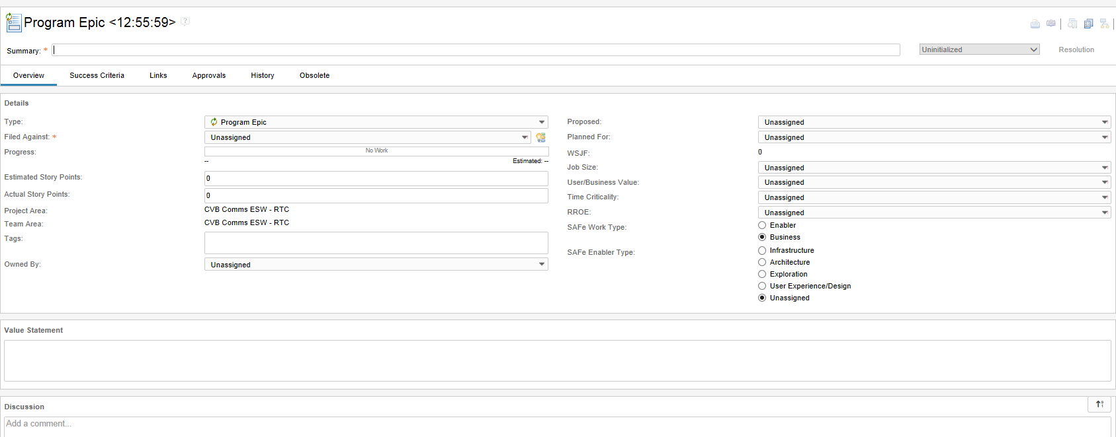
 |  |  |  |  | 13 | 13
 |  |  |  |  | 20 | 20

 |  |  |  | RROE | RTC Field Value | Jira Field Value
 |  |  |  |  | Unassigned | Unassigned
 |  |  |  |  | 1 | 1
 |  |  |  |  | 2 | 2
 |  |  |  |  | 3 | 3
 |  |  |  |  | 5 | 5
 |  |  |  |  | 8 | 8
 |  |  |  |  | 13 | 13
 |  |  |  |  | 20 | 20

 |  |  |  | SAFe Work Type | RTC Field Value | Jira Field Value
 |  |  |  | SAFe Work Type | Business | Business
 |  |  |  |  | Enabler | Enabler
 |  |  |  | SAFe Enabler Type | Unassigned | 9 | Unassigned
 |  |  |  |  | Infrastructure |  | Infrastructure
 |  |  |  |  | Architecture |  | Architecture
 |  |  |  |  | Exploration |  | Exploration
 |  |  |  |  | User Experience/Design |  | User Experience/Design

Inconsistency
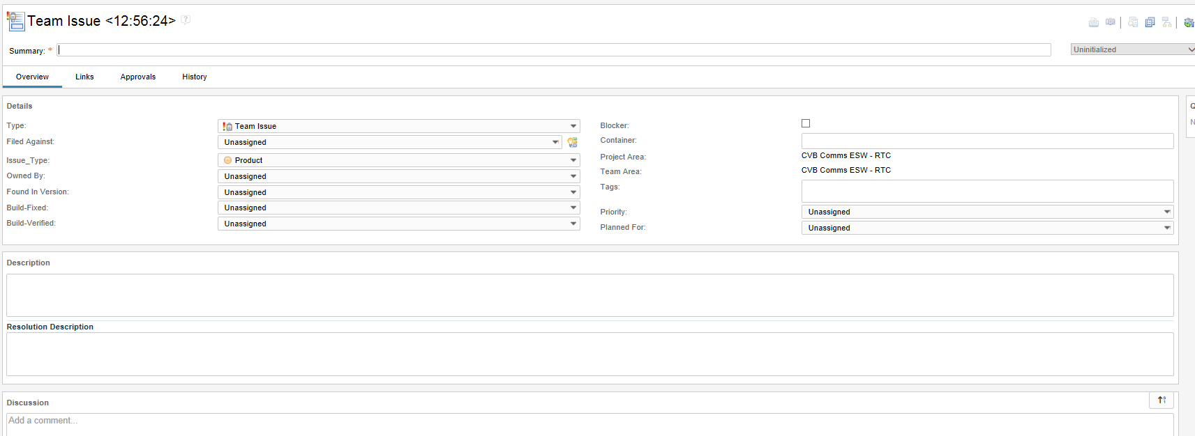
RTC | RTC Field Type | JIRA | Jira Field Type | Inconsistency Type | RTC Field Value | Jira Field Value
Team Issue | Work Item Type | Inconsistency | Issue Type |  | Development Tool | Development Tool
ID | System | buil | Text Field (Single Line) |  | Product | Product
Summary | Text Field (Single Line) | Summary | Text Field (Single Line) |  | Requirement | Requirement
Type | N/A | Not Migrating | Not Migrating |  | Source Code | Source Code
Filed Against | Category (Nested) | [RTC] Filed Against | Text Field (Single Line) |  | Test Automation | Test Automation
Issue_Type | Enumerated List | Inconsistency Type | Enumerated List |  | Test Case | Test Case
Owned By | User | Assignee | User |  | Test Tool | Test Tool
Found in Version | Enumerated List (Custom) | Affects Version/s | Text Field (Single Line)
Build-Fixed | Enumerated List (Custom) | Resolved in Build Version | Text Field (Single Line) | Priority | RTC Field Value | Jira Field Value
Build-Verified | Enumerated List (Custom) | Verified in Build Version | Text Field (Single Line) |  | Unassigned | Unassigned
Blocker | Check Box | Flagged | Check Box |  | Low | Low
Container | Text Field (Single Line) | Container | Text Field (Single Line) |  | Medium | Medium
Project Area | System | [RTC] Project Area | Text Field (Single Line) |  | High | High
Team Area | System | [RTC] Team Area | Text Field (Single Line)
Creation Date | datetime | Created | datetime
Created By | User | Creator | User
Tags | System | Labels | System
Priority | Enumerated List | Priority | Enumerated List
Planned For | Iterations (Nested) | [RTC] Planned For | Text Field (Single Line)
Description | Text Field (Multi Line) | Description | Text Field (Multi Line)
Resolution Description | Text Field (Multi Line) | Resolution Description | Text Field (Multi Line)
Discussion | Comments | Comments | Comments

Risk
RTC | RTC Field Type | JIRA | Jira Field Type | Priority | RTC Field Value | Jira Field Value
Risk | Work Item Type | Risk | Issue Type |  | Unassigned | Unassigned
ID | System | Legacy ID | Text Field (Single Line) |  | Low | Low
Summary | Text Field (Single Line) | Summary | Text Field (Single Line) |  | Medium | Medium
Type | N/A | Not Migrating | Not Migrating |  | High | High
Project Area | System | [RTC] Project Area | Text Field (Single Line)
Team Area | System | [RTC] Team Area | Text Field (Single Line) | Probability | RTC Field Value | Jira Field Value
Creation Date | datetime | Created | datetime |  | Unassigned | Unassigned
Created By | User | Creator | User |  | Very Low | Very Low
Filed Against | Category (Nested) | [RTC] Filed Against | Text Field (Single Line) |  | Low | Low
Tags | System | Labels | System |  | Moderate | Moderate
Owned By | User | Assignee | User |  | High | High
Priority | Enumerated List | Priority | Enumerated List |  | Very High | Very High
Identified For | Iterations (Nested) | [RTC] Planned For | Text Field (Single Line)
Probability | Enumerated List | Probability | Enumerated List | Impact | RTC Field Value | Jira Field Value
Impact | Enumerated List | Impact | Enumerated List |  | Minor | Minor
Exposure | Integer (Calculated) | Exposure | Number (Static |  | Moderate | Moderate
Risk Category | Enumerated List | Risk Category | Enumerated List |  | Major | Major
Occurence Date | datetime | Occurence Date | datetime |  | Critical | Critical
Due Date | datetime | Due date | datetime |  | Blocker | Blocker
Key Project Risk | Check Box | Key Project Risk | Check Box
Description | Text Field (Multi Line) | Description | Text Field (Multi Line) | Risk Category | RTC Field Value | Jira Field Value
Resolution Description | Text Field (Multi Line) | Resolution Description | Text Field (Multi Line) |  | Unassigned | Unassigned
Discussion | Comments | Comments | Comments |  | Product Cost | Product Cost
Mitigation Plan | Text Field (Multi Line) | Mitigation Plan | Text Field (Multi Line) |  | Program | Program
Contingency Plan | Text Field (Multi Line) | Contingency Plan | Text Field (Multi Line) |  | Project Cost | Project Cost
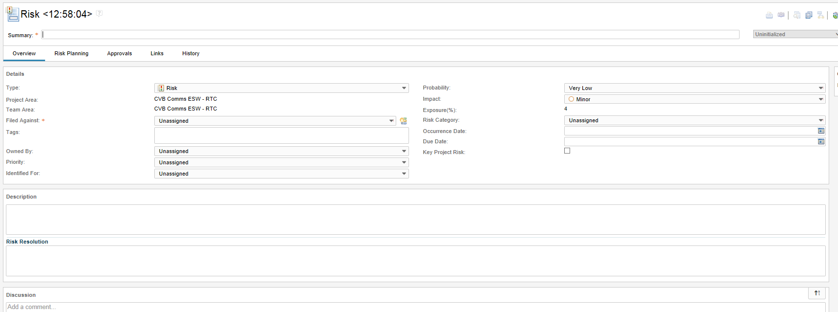
 |  |  |  |  | Schedule | Schedule
 |  |  |  |  | Scope | Scope
 |  |  |  |  | Technical | Technical

Story
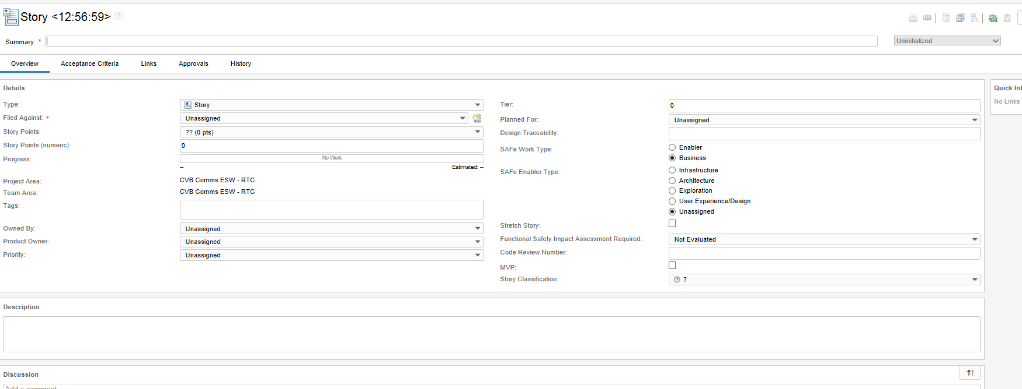
RTC | RTC Field Type | JIRA | Jira Field Type | Priority | RTC Field Value | Jira Field Value
Story | Work Item Type | Story | Issue Type |  | Unassigned | Unassigned
ID | System | Legacy ID | Text Field (Single Line) |  | Low | Low
Summary | Text Field (Single Line) | Summary | Text Field (Single Line) |  | Medium | Medium
Type | N/A | Not Migrating | Not Migrating |  | High | High
Filed Against | Category (Nested) | [RTC] Filed Against | Text Field (Single Line)
Progress | Calculated Field | Not Migrating | Not Migrating | SAFe Work Type | RTC Field Value | Jira Field Value
Story Points | Integer | Story Points | Integer | SAFe Work Type | Business | Business
Story Points (Numeric) | Integer |  |  |  | Enabler | Enabler
Project Area | System | [RTC] Project Area | Text Field (Single Line) | SAFe Enabler Type | Unassigned | 9 | Unassigned
Team Area | System | [RTC] Team Area | Text Field (Single Line) |  | Infrastructure |  | Infrastructure
Creation Date | datetime | Created | datetime |  | Architecture |  | Architecture
Created By | User | Creator | User |  | Exploration |  | Exploration
Tags | System | Labels | System |  | User Experience/Design |  | User Experience/Design
Owned By | User | Assignee | User
Product Owner | User | Product Owner | User
Priority | Enumerated List | Priority | Enumerated List
Tier | Integer | Tier | Number
Design Traceability | Text Field (Single Line) | Design Traceability | Text Field (Single Line)
SAFe Work Type | Radio Buttons | SAFe Work Type | Cascading Enumerated List
SAFe Enabler Type | Radio Buttons
Stretch Story | Check Box | Stretch? | Check Box
MVP | Check Box | MVP? | Check Box
Description | Text Field (Multi Line) | Description | Text Field (Multi Line)
Discussion | Comments | Comments | Comments
Acceptance Criteria | Text Field (Multi Line) | Acceptance Criteria | Text Field (Multi Line)

Anomaly
RTC | RTC Field Type | JIRA | Jira Field Type | Anomaly Classification | RTC Field Value | Jira Field Value
Anomaly | Work Item Type | Anomaly | Issue Type |  | Not Evaluated | None
ID | System | Legacy ID | Text Field (Single Line) |  | Software | Software
Summary | Text Field (Single Line) | Summary | Text Field (Single Line) |  | Firmware | Firmware
Type | N/A | Not Migrating | Not Migrating |  | Hardware | Hardware
Classification | Enumerated List | Anomaly Classification | Enumerated List |  | Mechanical | Mechanical
Found in SW Version | Enumerated List (Custom) | Corresponding SW Release | Text Field (Single Line) |  | Requirements | Internal Documentation
Found in FW Version | Enumerated List (Custom) | Corresponding FW Release | Text Field (Single Line) |  | Internal Documentation
Found in HW Version | Enumerated List (Custom) | Corresponding HW Release | Text Field (Single Line) |  | User Documentation | User Documentation
N/A | N/A | Corresponding MC Release | Text Field (Single Line) |  | Not in RTC | Test Collateral
Target Release | Enumerated List (Custom) | Fix Version/s | Enumerated List (Releases/Versions) |  | Not in RTC | 3rd Party
Resolved in Version | Enumerated List (Custom) | Resolved in Build Version | Text Field (Single Line) |  | Not in RTC | MFG Process
Delivered in Release | Enumerated List (Custom) | Delivered in Release | Text Field (Single Line) |  | Other | Other
Verified in Version | Enumerated List (Custom) | Verified in Build Version | Text Field (Single Line)
N/A | N/A | Affects Releases | Text Field (Single Line) | Customer Severity | RTC Field Value | Jira Field Value
Created By | User | Creator | User |  | 0 - Not Evaluated | 0 - Not Evaluated
Created Date | datetime | Created | datetime |  | 1 - Negligible | 1 - Negligible
Owned By | User | Assignee | User |  | 2 - Minor | 2 - Minor
Resolved By | User | Resolved By | User |  | 6 - Major | 6 - Major
Verified By | User | Verified By | User |  | 8 - Critical | 8 - Critical
Project Area | System | [RTC] Project Area | Text Field (Single Line) |  | 10 - Extreme | 10 - Extreme
Team Area | System | [RTC] Team Area | Text Field (Single Line)
Filed Against | Categories (Nested) | [RTC] Filed Against | Text Field (Single Line) | Customer Occurence | RTC Field Value | Jira Field Value
Planned For | Iterations (Nested) | [RTC] Planned For | Text Field (Single Line) |  | 0 - Not Evaluated | 0 - Not Evaluated
Customer Severity | Enumerated List | Customer Severity | Enumerated List |  | 1- No Impact | 1- No Impact
Customer Occurence | Enumerated List | Customer Occurence | Enumerated List |  | 2- Remote | 2- Remote
Customer Impact | Integer (Calculated) | Customer Impact | Number (Static) |  | 4- Low | 4- Low
Functional Safety Impact Assessment Required | Enumerated List | Functional Safety Impact Assessment Required | Enumerated List |  | 6 - Medium | 6 - Medium
Customer First Escalation | Check Box | Customer First Escalation | Check Box |  | 10 - High | 10 - High
MBF | Check Box | MBF | Check Box
Blocker | Enumerated List | Blocker | Cascaded Enumerated List | Blocker | RTC Field Value | Jira Field Value
Patch | Enumerated List | Patch | Enumerated List |  | Not Evaluated | None
Story Points | Integer | Story Points | Number |  | None
Effective Estimate | Integer (s/m/h/d) | Original Estimate | Integer (s/m/h/d) |  | Test Blocker | Test Blocker
Correction | Integer (s/m/h/d) | Not Migrating | Not Migrating |  |  | 9 | System Test
Dev Expense | Enumerated List | Dev Expense | Enumerated List |  |  |  | Functional Test
Test Expense | Enumerated List | Test Expense | Enumerated List |  |  |  | Unit Test
Time Remaining | Integer (s/m/h/d) | Remaining Estimate | Integer (s/m/h/d) |  |  |  | Build/Qual Test
Phase Detected | Enumerated List | Phase Detected | Enumerated List |  |  |  | Other
Phase Injected | Enumerated List | Phase Injected | Enumerated List
Escape Reason | Enumerated List | Escape Reason | Enumerated List | Patch | RTC Field Value | Jira Field Value
Assigned Date | datetime | Assigned Date | datetime |  | Yes | Yes
Resolved Date | datetime | Resolved Date | datetime |  | No | No
Verified Date | datetime | Verified Date | datetime |  | Released | Released
Due Date | datetime | Due date | datetime
Last Modified Date | datetime | Updated | datetime | Functional Safety Impact Required | RTC Field Value | Jira Field Value
SAP Ticket | Text Field (Single Line) | SAP Ticket | Text Field (Single Line) |  | Not Evaluated | Not Evaluated
Product Language | Enumerated List | Product Language | Enumerated List |  | Yes - Associated With Safety Products | Yes - Associated With Safety Products
Release Notes | Enumerated List | Release Notes | Enumerated List |  | No - Not Associated With ANY Safety Products | No - Not Associated With ANY Safety Products
Tags | System | Labels | System
Code Review Number | Text Field (Single Line) | Code Review Number | Text Field (Single Line) | Dev Expense | RTC Field Value | Jira Field Value
Description | Text Field (Multi Line) | Description | Text Field (Multi Line) |  | Not Evaluated | Not Evaluated
Resolution Description | Text Field (Multi Line) | Resolution Description | Text Field (Multi Line) |  | Low | Low
Discussion | Comments | Comments | Comments |  | Medium | Medium
Attachments | Attachments | Attachments | Attachments |  | High | High
Subscribers | User | Watchers | User
Not in RTC |  | User Assistance Update Needed | Check Box | Test Expense | RTC Field Value | Jira Field Value
Not in RTC |  | Product Safety Risk Assessment Required | Check Box |  | Not Evaluated | Not Evaluated
Not in RTC |  | Risk Assessment Meeting Number | Text Field (Single Line) |  | Low | Low
Not in RTC |  | Security Vulnerability | Check Box |  | Medium | Medium
Not in RTC |  | Knowledge Base Required (AID) | Check Box |  | High | High
Not in RTC |  | Answer ID # | Text Field (Single Line)
Not in RTC |  | Customer | Text Field (Single Line) | Phase Detected | RTC Field Value | Jira Field Value
Not in RTC |  | QTestID | Text Field (Single Line) |  | Not Evaluated | None
Not in RTC |  | TestID | Text Field (Single Line) |  | Requirements Review | Requirements
Not in RTC |  | Verification Description | Text Field (Multi Line) |  | High Level Design Review | High Level Design
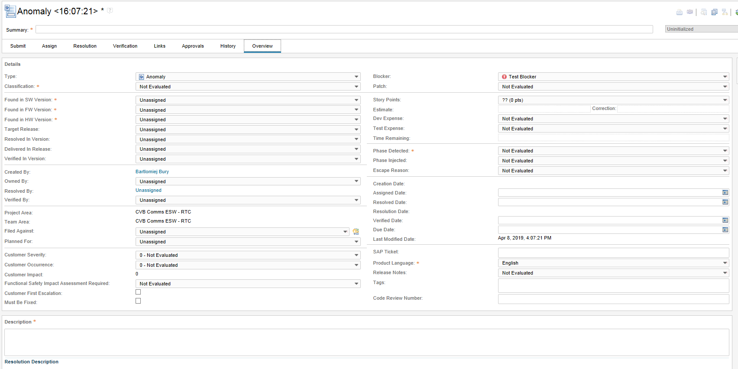
 |  |  |  |  | Detailed Design Review | Detailed Design
 |  |  |  |  | Debugging | Debugging
 |  |  |  |  | Unit Test | Unit Test
 |  |  |  |  | Functional Test | Functional Test
 |  |  |  |  | Integration Test | Integration Test
 |  |  |  |  | Build Qualification Test | Build Qualification Test
 |  |  |  |  | System Test | System Test
 |  |  |  |  | Customer Reported | External Customer Reported
 |  |  |  |  | Product Use | Internal RA
 |  |  |  |  | ODVA/Achilles | ODVA
 |  |  |  |  |  | Achilles
 |  |  |  |  | Code Review | Code Review
 |  |  |  |  | Not in RTC | Code Development
 |  |  |  |  | Not in RTC | Integration/Merge
 |  |  |  |  | Not in RTC | Localization Test
 |  |  |  |  | Not in RTC | Test Development
 |  |  |  |  | Not in RTC | External Beta Customer

 |  |  |  | Phase Injected | RTC Field Value | Jira Field Value
 |  |  |  |  | Not Evaluated | None
 |  |  |  |  | Requirements | Requirements
 |  |  |  |  | High-Level Design | High-Level Design
 |  |  |  |  | Detailed Design | Detailed Design
 |  |  |  |  | Code | Code Development
 |  |  |  |  | Integration/Merge | Integration/Merge
 |  |  |  |  | Localization | Localization Test
 |  |  |  |  | Customer Documentation | User Documentation
 |  |  |  |  | Not in RTC | Test Development
 |  |  |  |  | Not in RTC | Debugging
 |  |  |  |  | Not in RTC | 3rd Party

 |  |  |  | Escape Reason | RTC Field Value | Jira Field Value
 |  |  |  |  | Not Evaluated | None
 |  |  |  |  | Missing/Incomplete Requirement | Missing/Incomplete Requirement
 |  |  |  |  | Missing/Incomplete Test Case | Missing/Incomplete Test Case
 |  |  |  |  | Unit Test | Unit Test
 |  |  |  |  | Code Review | Code Review
 |  |  |  |  | Test Not Run | Test Not Run
 |  |  |  |  | Low ROI | Low ROI
 |  |  |  |  | Process Change | Process Change
 |  |  |  |  | Other | Other
 |  |  |  |  | Not Escaped | Not Escaped
 |  |  |  |  | Not in RTC | Scope Change
 |  |  |  |  | Not in RTC | Design

 |  |  |  | Product Language | RTC Field Value | Jira Field Value
 |  |  |  |  | English | English
 |  |  |  |  | Portuguese | Portuguese
 |  |  |  |  | French | French
 |  |  |  |  | Italian | Italian
 |  |  |  |  | German | German
 |  |  |  |  | Spanish | Spanish
 |  |  |  |  | Chinese | Chinese
 |  |  |  |  | Japanese | Japanese
 |  |  |  |  | Korean | Korean

 |  |  |  | Release Notes | RTC Field Value | Jira Field Value
 |  |  |  |  | Not Evaluated | Not Evaluated
 |  |  |  |  | Not Needed | Not Needed
 |  |  |  |  | Update Needed | Update Needed
 |  |  |  |  | Update Complete | Update Complete
 |  |  |  |  | Update Verified | Update Verified

